ICF Data
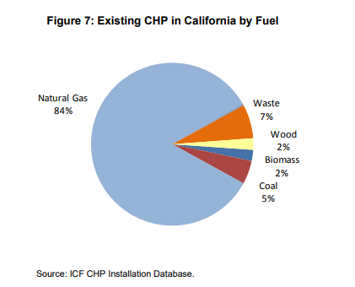
Use a constant forecast method. That is to say: assume these fractions remain constant in future years.

 | https://energy.gov/sites/prod/files/2017/11/f39/StateOfCHP-California.pdf |  |  | (accessed 8 February 2017)

 | Data from the chart shown below
 | 0.85307835821 | 7316 | natural gas
 | 0.13327891791 | 1143 | biomass+waste+wood
 | 0.011777052239 | 101 | coal
 | 0.0018656716418 | 16 | oil
 | 1 | 8576 | total
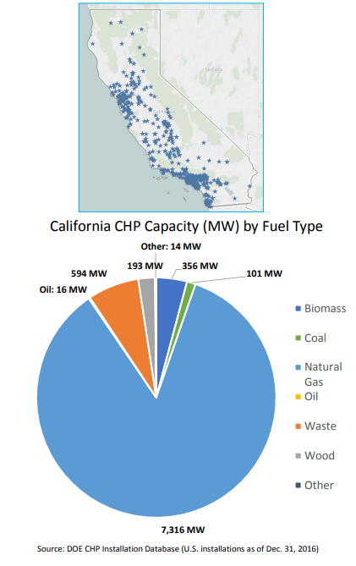

 | To align with EPS structure, combine wood and waste to biomass.

Also consulted | COMBINED HEAT AND POWER: POLICY ANALYSIS AND 2011 – 2030 MARKET ASSESSMENT
 | ICF International, Inc., February 2012

 | http://www.energy.ca.gov/2012publications/CEC-200-2012-002/CEC-200-2012-002.pdf

 | No indication of expectation that future shares will change significantly.

 | p. 36

